Organizational Details
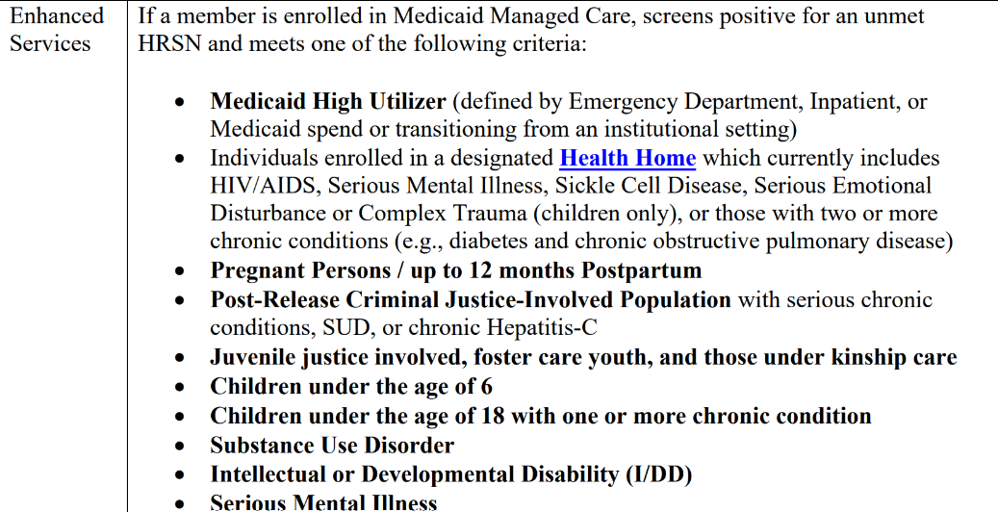
Organizational Details
Organization Legal Name:
Organization DBAs
Name of person filling this out:
Email of person filling this out:

Organization Mailing Address
Address Line 1:
Address Line 2 (optional):
City:
Zip code:

Organization Type:
Write In (if Other is selected)

Does your organization currently work with target populations defined as receiving Medicaid, having a Health Related Social Need (HRSN), and meeting one of the criteria listed below?

Attachment E
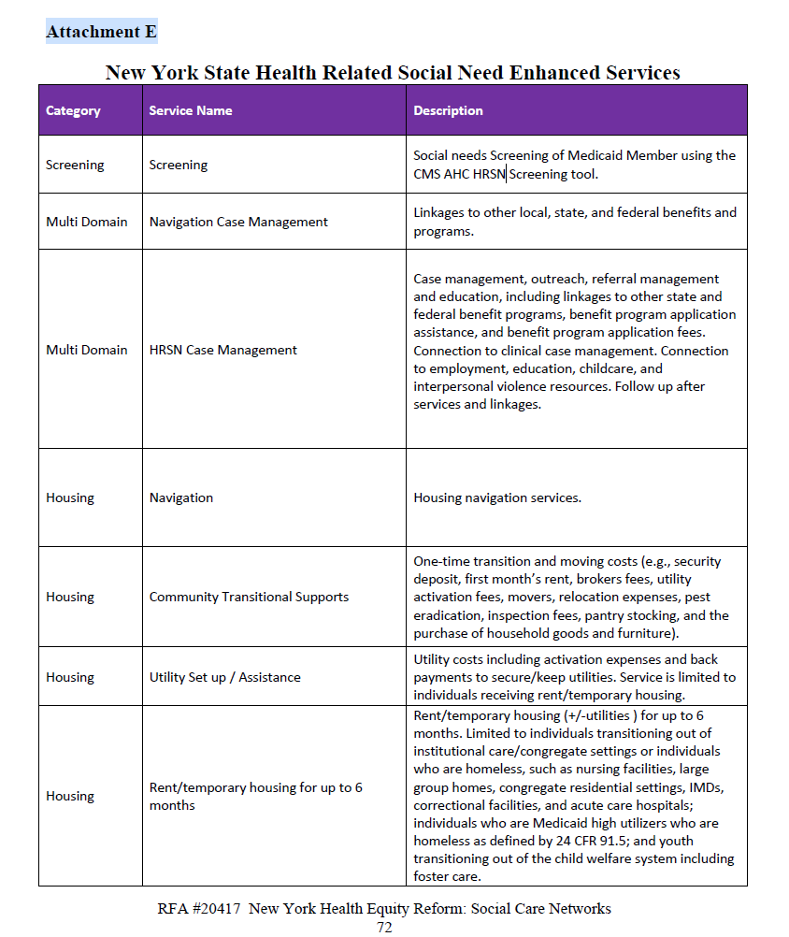
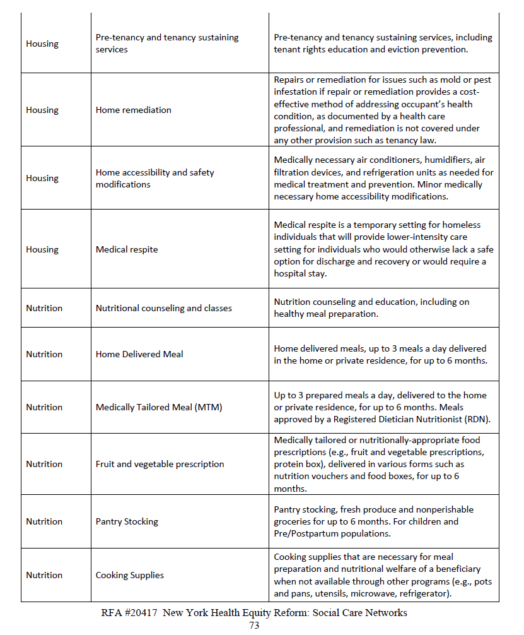
Services Definitions

